Sum
Sum Function
Name | No. of Apples |  | Year | 2016 | 2017 | 2018 | Total 3 Years
Guy | 3 |  | Revenue | $60,001 | $74,989 | $90,272
Lev | 5 |  | Expenses | $43,505 | $55,629 | $66,556
Yoav | 2 |  | Income | $16,496 | $19,360 | $23,716
Yossi | 6
Dana | 8
Total

SUMIF function
Explanation
SUMIF function lets us sum a range based on a certain criteria. We can use this function to either sum a range based on a criteria within the same range, or within a different range.
1st Application
What is the income of all rappers who like the yellow color?
Rapper | Favorite color | Income (millions)
Biz Khalifa | Black | 10
Ice Cone | Yellow | 20
Snoop Catt | Black | 15
Cardi C | Yellow | 17
Ray Z | Black | 44
3Pac | Yellow | 90
 | Sum:

2nd Application
we can skip the [sum_range] criteria, as the range to check and the range to sum are the same!
Let’s try to sum only the prizes that were won on days with a total of more than 15 prizes won:
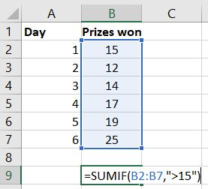

SumIFS Function
SUMIFS function allows us to sum values that meet more than one criteria. Contrary to SUMIF (without S in the end) – The sum range and criteria range must be separated.
SUMIFS(sum_range, criteria_range1, criteria1, [criteria_range2, criteria2], [criteria_range3, criteria3], …)
Calculate the total revenue from "Gold" accounts in the State of NY
Account # | Type | State | Revenue
1 | Gold | NY | 492
2 | Silver | PA | 124
3 | Gold | NJ | 555
4 | Gold | NY | 100
5 | Bronze | NY | 8
6 | Bronze | MA | 201
7 | Gold | NY | 20
8 | Silver | PA | 43
9 | Gold | PA | 108
10 | Bronze | NJ | 172

